Tables and Columns
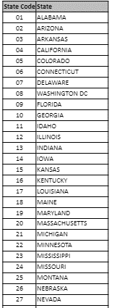
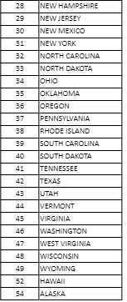
Policy |  | RMM - Rate Manual Model |  | Calendar_Date |  | Years_In_Business | BMT - Business Market Target |  | Commercial_Coverage |  | State
Policy_Number | policy number | RT_MAN_CD | Rate Manual Code - a code assigned to classify PGR business and expenses | YEAR_NBR |  | YRS_IN_BSNS | SIC_CD | Standard Industria Classification by US Govt to classify bus and non-bus by the type of activity involved in | CMRCL_COV_CD | General Lines Liability (GL) or Business Owners Policy (BOP) | ST_CD | two-character numberica code for state
RT_MAN_CD | Rate Manual Code - a code assigned to classify PGR business and expenses | DSTRBT_CHNL | direct or agency channel | QTR_ABBR |  | YRS_IN_BSNS_GRP | BUS_TYPE_DESC | text description of the SIC code | CMRCL_COV_DESC |  | ST_ABBR
ST_CD | two-character numberica code for state | CHNL_DESC |  | MO_ABBR |  | YRS_IN_BSNS_S_GRP | BMT | market setmentation based on industry characteristics based on Commercial Auto Ins and defined by SIC | SORTKEY
CO_CD | The company code that this policy was sold by | RISK_TYPE_CD | broad policy-level segmentation based on insured vehicles. Body type and use class are used to designate risk types. | CALEN_MO |  | SORTKEY | SUB_BMT | market segment designation based on inducstry characteristics
POL_EXPR_YR | The year that a policy for a given renewal suffix and coverage ceases | MKT | final market for the policy | CALEN_DT | Complete Calendar Date - actually the accounting date (ZELIKOW aka Progressive date of trransactions. On the PLR tables, it is always the first of the month | S_KEY |  | 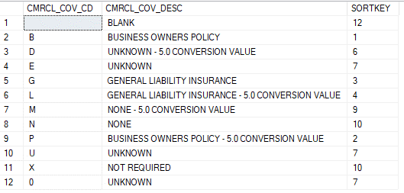
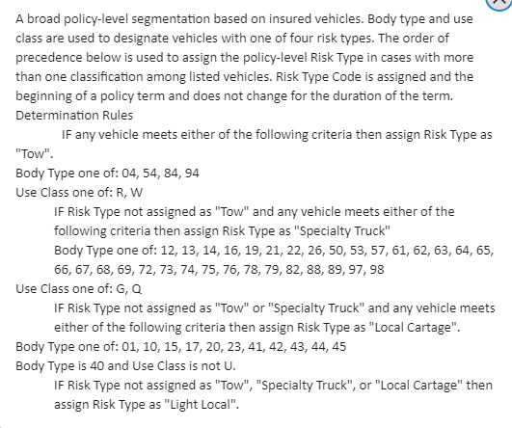
SIC_CD | Standard Industrial Classification by US Govt to classify bus and non-bus by the type of activity involved in | MKT_DESC
CMRCL_COV_CD | General Lines Liability (GL) or Business Owners Policy (BOP) | RT_MAN_GRP
POL_TERM | policy term
BSNS_STRT_YR | Year the business was established. Populated beginning 04/2004. No longer populated with rating model 8.0
ACC_DT | accident date MM/DD/CCYY
CALEN_DT | Complete Calendar Date - actually the accounting date (ZELIKOW aka Progressive date of trransactions. On the PLR tables, it is always the first of the month
WRT_PREM_AMT | Written Premium Amount - cost to insure vehicles and coverages on policy. Includes fees. To exclude fees, you must exclude the line of coverages for the fees
ERN_PREM_AMT | Amount of premium earned for a vehicle in the year that the policy is effective. Trailers get 0$ premium amounts. Their actual premius were assigned to the power units | 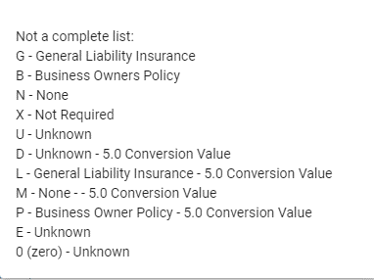
LOSS_RESV_AMT | The sum of changes to reserve for each line/coverage/feature ID on a claim as the last month-end update
LOSS_PAID_AMT | The sum of payment made on a claim for line/coverage/feature as the last month-end update. NOTE: In the Monthly Loss Table, the Paid-to-Date represents the net paid for the month by claim activity year/month and line coverage.
LOSS_SLB_AMT | Loss Amount - Salvage Subrogation - The sum of payments received for salvage and subro on a line/coverage/feature ID for a claim
WRT_PREM_AMT_FEE
ERN_PREM_AMT_FEE
NEW_BSNS_APPT_CNT
RENW_BSNS_APPT_CNT
YRS_IN_BSNS

RMM
